ICE Freight HDVs
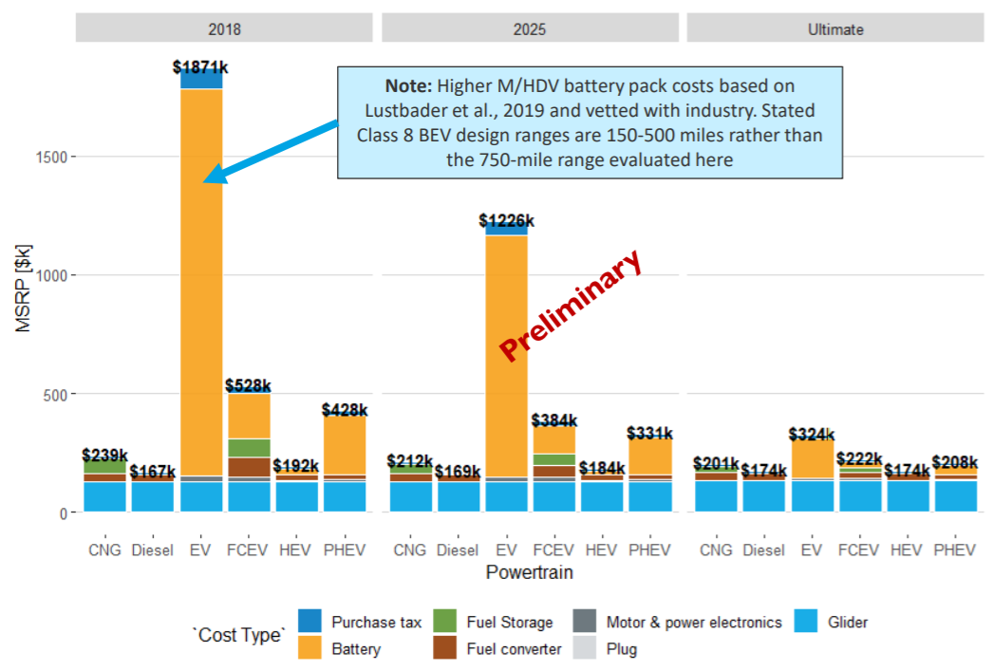
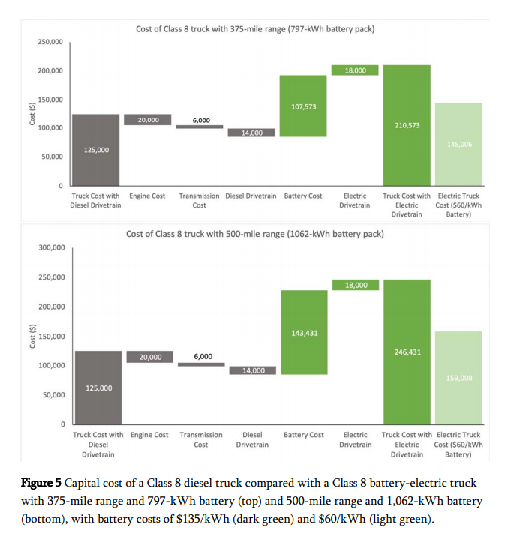
 | 2018 | 2025 | Interpolated 2021 multiplier
CNG | 1.4311377246 | 1.2544378698 | 1.4243995444
FCEV | 3.1616766467 | 2.2721893491 | 2.9219936161
PHEV | 2.5628742515 | 1.9585798817 | 2.4211589995

Capital cost, cost of class 8 truck with 300-mile range | 239342.475 |  | *Average of cost of 375-mile and 500-mile range class 8 vehicle taken from LBNL here
Capital cost of conventional diesel truck (include US average sales tax) | 131362.5

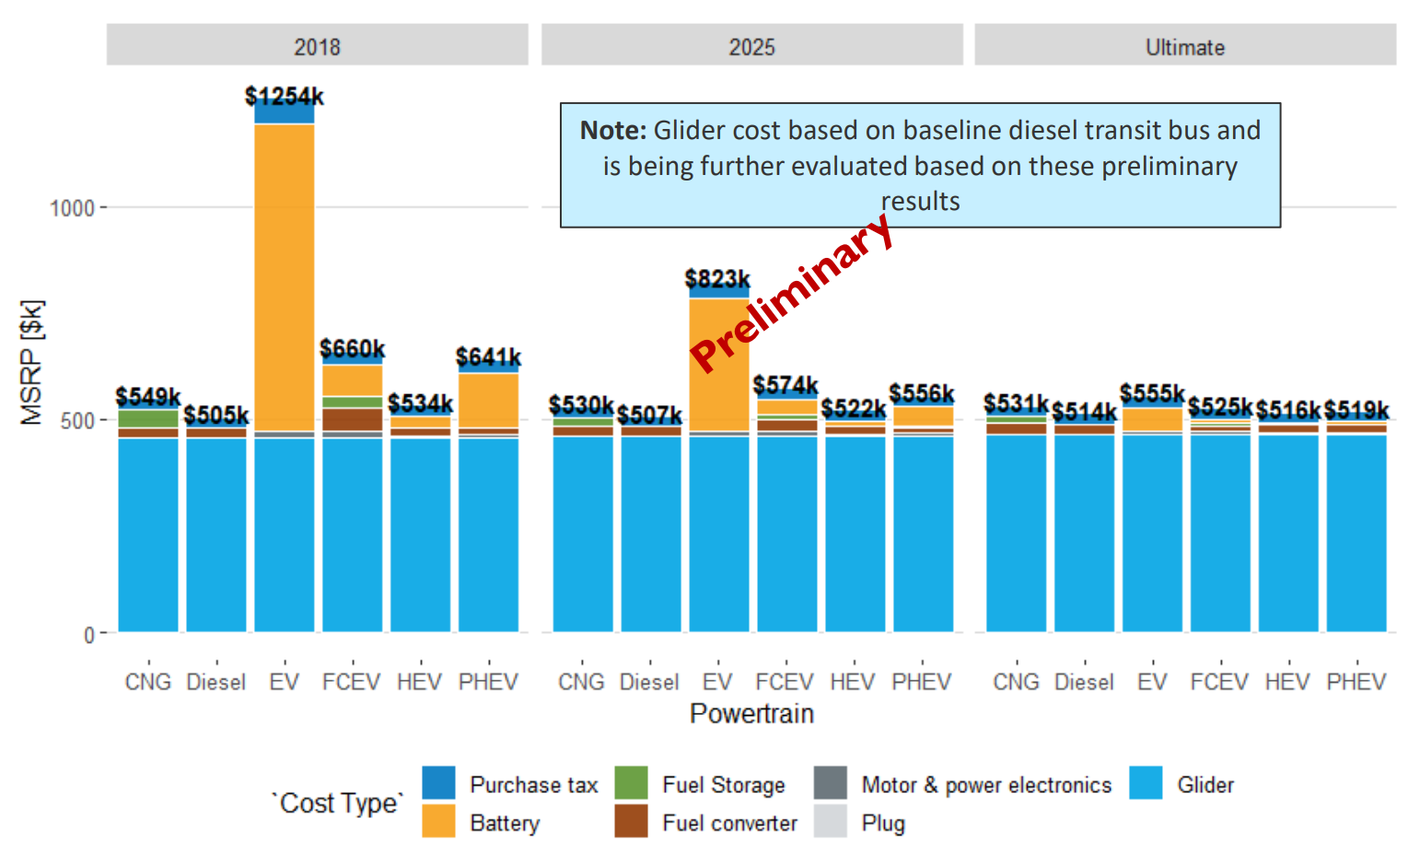
 | 2018 | 2025 | Interpolated 2021 price
CNG | 549000 | 530000 | 540857.14286
FCEV | 660000 | 574000 | 623142.85714
PHEV | 641000 | 556000 | 604571.42857

CARB ACT ISOR
Source: CARB
PUBLIC HEARING TO CONSIDER THE PROPOSED ADVANCED CLEAN TRUCKS REGULATION
https://ww3.arb.ca.gov/regact/2019/act2019/isor.pdf

AEO Data for Sales Share

 | Class 2b-3 | Class 4-5 | Class 6-7
2020 Sales Share | 0.67463384943 | 0.19236655086 | 0.13299959971

CARB Data

Gasoline and Diesel Vehicle Starting Prices:
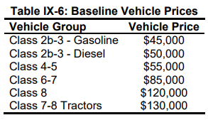

 |  | Vehicle Group | Vehicle Price
 |  | Class 2b-3 - Gasoline | 45000
 |  | Class 2b-3 - Diesel | 50000
 |  | Class 4-5 | 55000
 |  | Class 6-7 | 85000
 |  | Class 8 | 120000
 |  | Class 7-8 Tractors | 130000 | 118820

 |  |  | 2018 $s | 2012 $s
 |  | Calculated LDV Avg - Diesel | 55616.818744 | 50833.772332
Use ratio of Gasoline/Diesel for Class 2b-3 for calculated gasoline value: |  | Calculated LDV Avg - Gasoline | 50055.13687 | 45750.395099

BEV and FCEV Price Forecasts:

Regression analysis below for year 2020 done using Wolfram Alpha: https://www.wolframalpha.com/examples/mathematics/statistics/regression-analysis/

Class 2b-3, normal range | 62252.505138

Class 4-5, normal range | 79834.5846

Class 6-7 | 114136.76177

Weighted Average, 2012 USD | 72535.294485

Ships
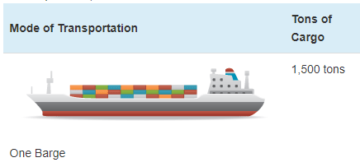
Ship prices vary greatly by ship type and size. Based on variable AVLo, our average |  |  |  | freight ship capacity
freight ship loading is 1363 tons. This may be reasonably represented by a single oceangoing, |  |  |  | Tennessee-Tombigbee Waterway
self-propelled barge that has a capacity of 1500 tons (see source info to the right). A drawing |  |  |  | undated
of a barge of this type is shown to the right (from thas same source). |  |  |  | Cargo Capacity of Different Transportation Modes
 |  |  |  | http://business.tenntom.org/why-use-the-waterway/shipping-comparisons/
Capacities of large barges of this sort are often expressed in TEU (twenty-foot equivalent units),
which are the size of a standard intermodal metal shipping container. They do not convert
neatly into cargo tons, but standard containers have a maximum payload
mass of 21600 kg, or 21.6 metric tons. Typical payload may be less. We use 16 tons as
the typical load for a freight HDV (see variable AVLo), which may use an intermodal container
or be similar in size to one.

The largest barge in the world is the Maersk Triple E class, with a capacity of 18,340 TEU |  |  |  | Source for TEU capacities
and a cost of $185 million. This is more than 200 times more capacity than the ship we |  |  |  | https://web.archive.org/web/20090420143514/http://emase.co.uk/data/cont.html
wish to represent with this variable, and it serves as an upper bound reference point.
 |  |  |  | Source for Maersk Triple E class pricing
A variety of used boats are listed for sale at https://www.oceanmarine.com |  |  |  | https://www.bloomberg.com/news/photo-essays/2013-09-05/holy-ship#slide1
with ever-changing inventory. These barges all tend to be smaller than the reference
ship we wish to represent (with 1500-ton capacity). The closest ships I have been |  |  |  | Source for Other Example cargo ship pricing
able to find are certain Platform Supply Vessels, which tend to have higher deck capacities |  |  |  | https://www.oceanmarine.com
and lower prices than the similar Anchor Handling Tug Supply (AHTS) vessels. AHTS
vessels have extra equipment and engine power that may increase their price relative
to the necessary capacity.

 | Description | Deck Capacity (metric tons) | Price | Year of Manufacture
 | 180ft 5200HP AHTS 9504 | 500 | 5900000 | 1984
 | 60 Ton BP AHTS - 9279 | 500 | 7050000 | 1984
 | 5200HP AHTS - 9278 | 500 | 7050000 | 1983
 | 220ft Platform Supply DP-1 - 13146 | 1030 | 6000000 | 1999
 | 240ft Platform Supply Vessel(PSV) DP-1 - 13932 | 1800 | 6000000 | 2009
 | 285ft Platform Supply Vessel (PSV) - 13810 | 2800 | 22000000 | 2014

Based on all of these data points, we select a value of $10 million to represent a brand new,
self-propelled, ocean-going barge or supply boat with 1,500-ton capacity.
10000000

We assume no change in pricing over time.

Passenger Ships (recreational boats in the U.S. model) |  |  |  | Source for typical recreational boat characteristics
As with freight ships, there are a great variety of types of recreational boats at various |  |  |  | http://www.carefreeboater.com/how-much-does-a-boat-cost/
price points. We assume a runabout roughly 21 feet to 24 feet in length is typical.
 |  |  |  | Sources for boat prices
We use a value of $30,000 for these boats, which seems reasonable for a brand |  |  |  | http://www.boatingmag.com
new, entry-level runabout of the sort determined to be typical. This is based |  |  |  | http://www.boattrader.com
on examination of price listings and articles at the sources listed to the right. |  |  |  | http://www.boats.com
30000

We assume no change in pricing over time.

For estimating electric and hydrogen vehicle prices, we apply the ratios
from the passenger HDVs category.

NBPoNVP-HDVs-psgr
Price ($/vehicle) | 2021 | 2022 | 2023 | 2024 | 2025 | 2026 | 2027 | 2028 | 2029 | 2030 | 2031 | 2032 | 2033 | 2034 | 2035 | 2036 | 2037 | 2038 | 2039 | 2040 | 2041 | 2042 | 2043 | 2044 | 2045 | 2046 | 2047 | 2048 | 2049 | 2050
battery electric vehicle | 426295 | 414923 | 403364 | 391720 | 380619 | 369662 | 358928 | 348127 | 337840 | 327771 | 327148 | 326531 | 325919 | 325313 | 324712 | 324712 | 324712 | 324712 | 324712 | 324712 | 324712 | 324712 | 324712 | 324712 | 324712 | 324712 | 324712 | 324712 | 324712 | 324712
natural gas vehicle | 540857 | 525157 | 531344 | 535442 | 543184 | 547935 | 551805 | 558720 | 562117 | 565297 | 568521 | 571719 | 575186 | 577981 | 580751 | 583251 | 585667 | 587870 | 590126 | 591865 | 593496 | 594969 | 596343 | 597363 | 598434 | 599245 | 600281 | 601143 | 602683 | 603325
gasoline vehicle | 342025 | 342025 | 342025 | 345657 | 347620 | 349461 | 352854 | 353222 | 353588 | 353952 | 353697 | 353864 | 354029 | 354193 | 354355 | 354355 | 354355 | 354355 | 354355 | 354355 | 354355 | 354355 | 354355 | 354355 | 354355 | 354355 | 354355 | 354355 | 354355 | 354355
diesel vehicle | 342025 | 342025 | 342025 | 345657 | 347620 | 349461 | 352854 | 353222 | 353588 | 353952 | 353697 | 353864 | 354029 | 354193 | 354355 | 354355 | 354355 | 354355 | 354355 | 354355 | 354355 | 354355 | 354355 | 354355 | 354355 | 354355 | 354355 | 354355 | 354355 | 354355
plugin hybrid vehicle | 604571 | 600543 | 594347 | 589726 | 586290 | 583882 | 582355 | 581973 | 582371 | 583794 | 582935 | 582774 | 583111 | 583906 | 585127 | 585127 | 585127 | 585127 | 585127 | 585127 | 585127 | 585127 | 585127 | 585127 | 585127 | 585127 | 585127 | 585127 | 585127 | 585127
LPG vehicle | 574385 | 518228 | 520755 | 522612 | 527124 | 528522 | 530182 | 535584 | 536716 | 537664 | 538565 | 539407 | 540387 | 541190 | 542106 | 543029 | 544115 | 545157 | 546606 | 547482 | 548452 | 549373 | 550251 | 550812 | 551453 | 551950 | 552588 | 553189 | 554831 | 555107
hydrogen vehicle | 621766 | 572131 | 561462 | 537969 | 514900 | 492522 | 470476 | 449356 | 427882 | 407481 | 387373 | 384928 | 382053 | 379843 | 377499 | 375169 | 372853 | 370552 | 368264 | 365991 | 363732 | 361487 | 359256 | 357039 | 354835 | 352645 | 350468 | 348305 | 346155 | 344019

